Agile Project Plan - BLANK
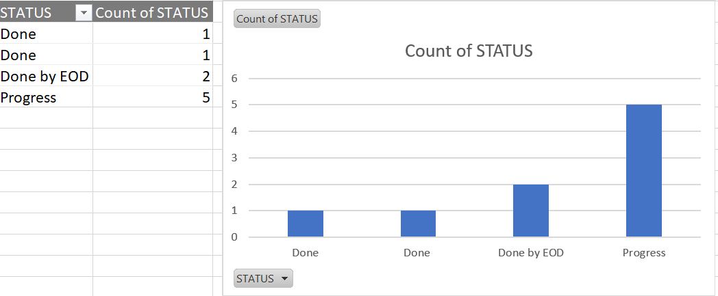
COPT / IPMS / FRAP /MISCLENIOUS PROJECT PLAN
 | PROJECT NAME | PROJECT HEAD | START DATE | END DATE |  | OVERALL PROGRESS |  | PROJECT DELIVERABLE | Every thing is going fine and will use sagar / Priya /Venkat as asset .Hope rest all will ok they have Logic and will shape according our requirement.
 | Product Release | SAMBA G | 2023-07-03 | 2023-07-07 |  | 70% |  | SCOPE STATEMENT | all team isdoing well,and @venkat already share with you IPMS Issue details

AT RISK | TASK NAME | FEATURE TYPE | RESPONSIBLE | STORY POINTS | START | FINISH | DURATION (DAYS) | STATUS | COMMENTS
 | Sprint 1 | Prod /QA Issue & Client Needs | Dilshad & His Team | ALL | 2023-07-03 | 2023-07-07 | 5 day | Done | i. 4 Report issues done ii. Llyod Data is Done on Client dev environment. iii. Llyod Data is Done by EOD on Client QA environment. iv. IPMS New enhancement [port wise SAP Posting] is in Process. V.Express way resolution is done by Dev team and waiting for Down time from End User.
 | Task 1 | Frap Functionality | Bhavani Shankar | FRAP | 2023-07-03 | 2023-07-07 | 5 day | Done by EOD | i. prepared Document for step by step status of All aspx.cs pages Functionality in Frap ii. FRAP SP,s checking iii. Analysis Tables with store procedures in Database
 | Task 2 | Delete Functionality, Surrender Data in FRAP | Karuna Babu | FMS | 2023-07-03 | 2023-07-07 | 5 day | Done by EOD | i.Delete Functionality: Frequency Master HF Screen, requency List(NOC) Search Functionality screens Surrender Data :Frequency List(Noc) module. Ii.FMS UAT tickets
 | Task 3 | E-xpressway code understanding | Supriya | E-xpressway | 2023-07-03 | 2023-07-07 | 5 day | Progress | i. All module understanding & reviewing ,How controller and View interwith each other by API
 | Task 4 | Wrong BTT invoice regarding CFS Module | Shivhar Dhumal | COPT | 2023-07-03 | 2023-07-07 | 5 day | Progress | i.Wrong BTT invoice regarding CFS Module ii.Calculation Related Changes In COPT Production. iii. Voyage Registration Issue Step 2 : XML Files related Changes In COPT Production. (co ordinate with Sagar)
 | Task 5 | Application No. Entry screen QA Issues Resoled | Anusha Botta | FMS | 2023-07-03 | 2023-07-07 | 5 day | Progress | fixing bugs which was given UAT .And related to FMS and UAM ii.Some Functionality is not working properly in uat reagarding fms project.So Present iam testing those scenarios
 | Task 6 | Prod Issues of COPT Billing | Venkatasagar Bommasani | COPT | 2023-07-03 | 2023-07-07 | 5 day | Progress | i. issue what I was discussed with Sharath (CFS Support ) for CFS Module Adding Elements in Kwixee Json Object. ii.Worked on FMS UAT tickets
 | Task 7 | Checkfrquency. QA Issues | Venkatesh Ghattamaneni | FMS | 2023-07-03 | 2023-07-07 | 5 day | Progress | i. Checkfrquency. QA Issues ii. Fixed bugs which was given UAT iii.working log functionality in all screens
 | Task 8 | Direct interact with Client and Communicate regarding issues | Venkataramana Tilla | IPMS | 2023-07-03 | 2023-07-07 | 5 day | Done | i.Assign 4 report issue to Dilhad ii. Lyod Data Migrate in QA-Assign to dilshad iii,Mail send the the client regarding Migration on QA environment.

